Sheet1
IMAGE | STYLE NO | SKU | COLLECTION | PRODUCT | PRODUCT DESCRIPTION | FABRIC | COLOR | C. PRICE | MRP | MARGIN % | S.Price | QTY | SIZES | SHIPPING INFO | CARE | COLOR VARIANT | HSN CODE | GST | DISCLAIMER | ADDITIONAL INFO
 |  | DLSH0723001 | Top | Top | cut sleeve top with round neck having flower motif with stripes , handcrafted shibori | Cotton Silk | Blue | 1875 | 2500 | 25 | 2493.75 | 1 |  | Ready to ship and 2-3 weeks delivery | Hand Wash only with soft detergent | 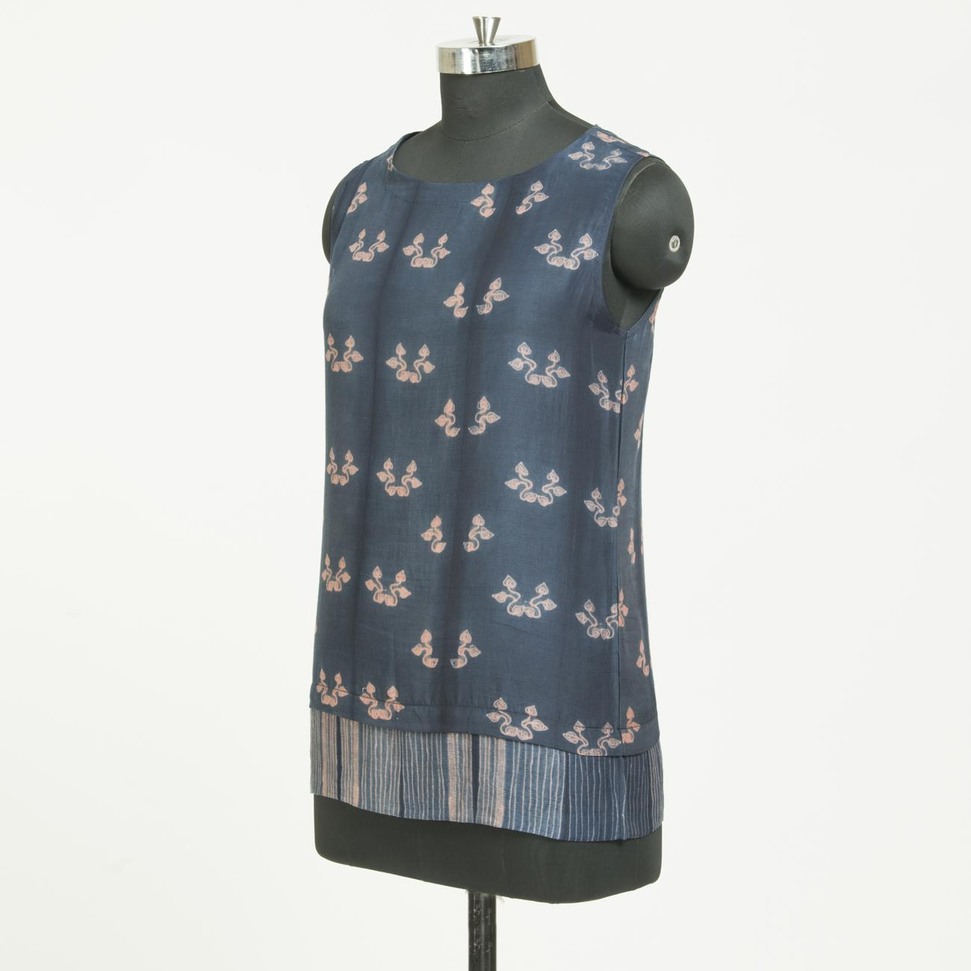 indigo marigold |  |  | Disclaimer - Any item you purchase is one of a kind as they are all handmade and each product is beautifully different. The colour/texture/pattern may slightly vary from the image shown, due to multiple artisan-led techniques and screen brightness. | Shibori is a Japanese tie-dyeing technique that has been used for centuries. Famous for its blue dye, shibori is the result of experimentation with more interesting approaches to textile production, rather than just colouring clothes and fabrics. The term itself means to squeeze, ring or press. It’s about creating patterns on a piece of fabric by preparing it in a way that will resist the dye in certain areas.
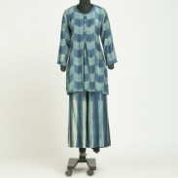 |  | DLSH0723002 | Co-ord | Set | This co-ords set consists of indigo and merigold shibori tunic which has a round neck with half placket , three quarter regular sleeve. Indigo and merigold geomatric shibori plazzo has a slip on closure | Cotton Silk | indigo merigold | 5100 | 6800 | 25 | 6783 | 1 | S,M,L…. | Ready to ship and 2-3 weeks delivery | Hand Wash only with soft detergent | indigo , indigo maddar |  |  | Disclaimer - Any item you purchase is one of a kind as they are all handmade and each product is beautifully different. The colour/texture/pattern may slightly vary from the image shown, due to multiple artisan-led techniques and screen brightness. | Shibori is a Japanese tie-dyeing technique that has been used for centuries. Famous for its blue dye, shibori is the result of experimentation with more interesting approaches to textile production, rather than just colouring clothes and fabrics. The term itself means to squeeze, ring or press. It’s about creating patterns on a piece of fabric by preparing it in a way that will resist the dye in certain areas.
 |  | DLSH0723003 | Kurtas, Top | Top | top consists of indigo and lakh shibori tunic which has a round neck with half placket , three quarter regular sleeve. | Cotton Silk | indigo lakh | 2887.5 | 3850 | 25 | 3840.375 | 1 | S,M,L…. | Ready to ship and 2-3 weeks delivery | Hand Wash only with soft detergent | indigo maddar , indigo |  |  | Disclaimer - Any item you purchase is one of a kind as they are all handmade and each product is beautifully different. The colour/texture/pattern may slightly vary from the image shown, due to multiple artisan-led techniques and screen brightness. | Shibori is a Japanese tie-dyeing technique that has been used for centuries. Famous for its blue dye, shibori is the result of experimentation with more interesting approaches to textile production, rather than just colouring clothes and fabrics. The term itself means to squeeze, ring or press. It’s about creating patterns on a piece of fabric by preparing it in a way that will resist the dye in certain areas.
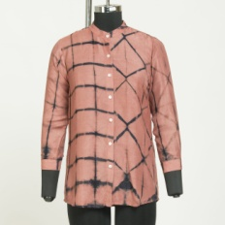 |  | DLSH0723004 | Shirt | Shirt | shirt of indigo madder shibori having abstract print , full sleeves with medrian collar and front button closer, straight hem. | Cotton Silk | indigo madder | 2212.5 | 2950 | 25 | 2942.625 | 1 | S,M,L…. | Ready to ship and 2-3 weeks delivery | Hand Wash only with soft detergent | indigo marigold tesu , indigo maddar |  |  | Disclaimer - Any item you purchase is one of a kind as they are all handmade and each product is beautifully different. The colour/texture/pattern may slightly vary from the image shown, due to multiple artisan-led techniques and screen brightness. | Shibori is a Japanese tie-dyeing technique that has been used for centuries. Famous for its blue dye, shibori is the result of experimentation with more interesting approaches to textile production, rather than just colouring clothes and fabrics. The term itself means to squeeze, ring or press. It’s about creating patterns on a piece of fabric by preparing it in a way that will resist the dye in certain areas.
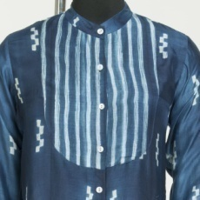 |  | DLSH0723005 | Shirt | Shirt | indigo shirt with striped shibori yoke with medrian collar with front button closure, full sleeves, straight hem, | Cotton Silk | indigo | 2362.5 | 3150 | 25 | 3142.125 | 1 | S,M,L…. | Ready to ship and 2-3 weeks delivery | Hand Wash only with soft detergent | 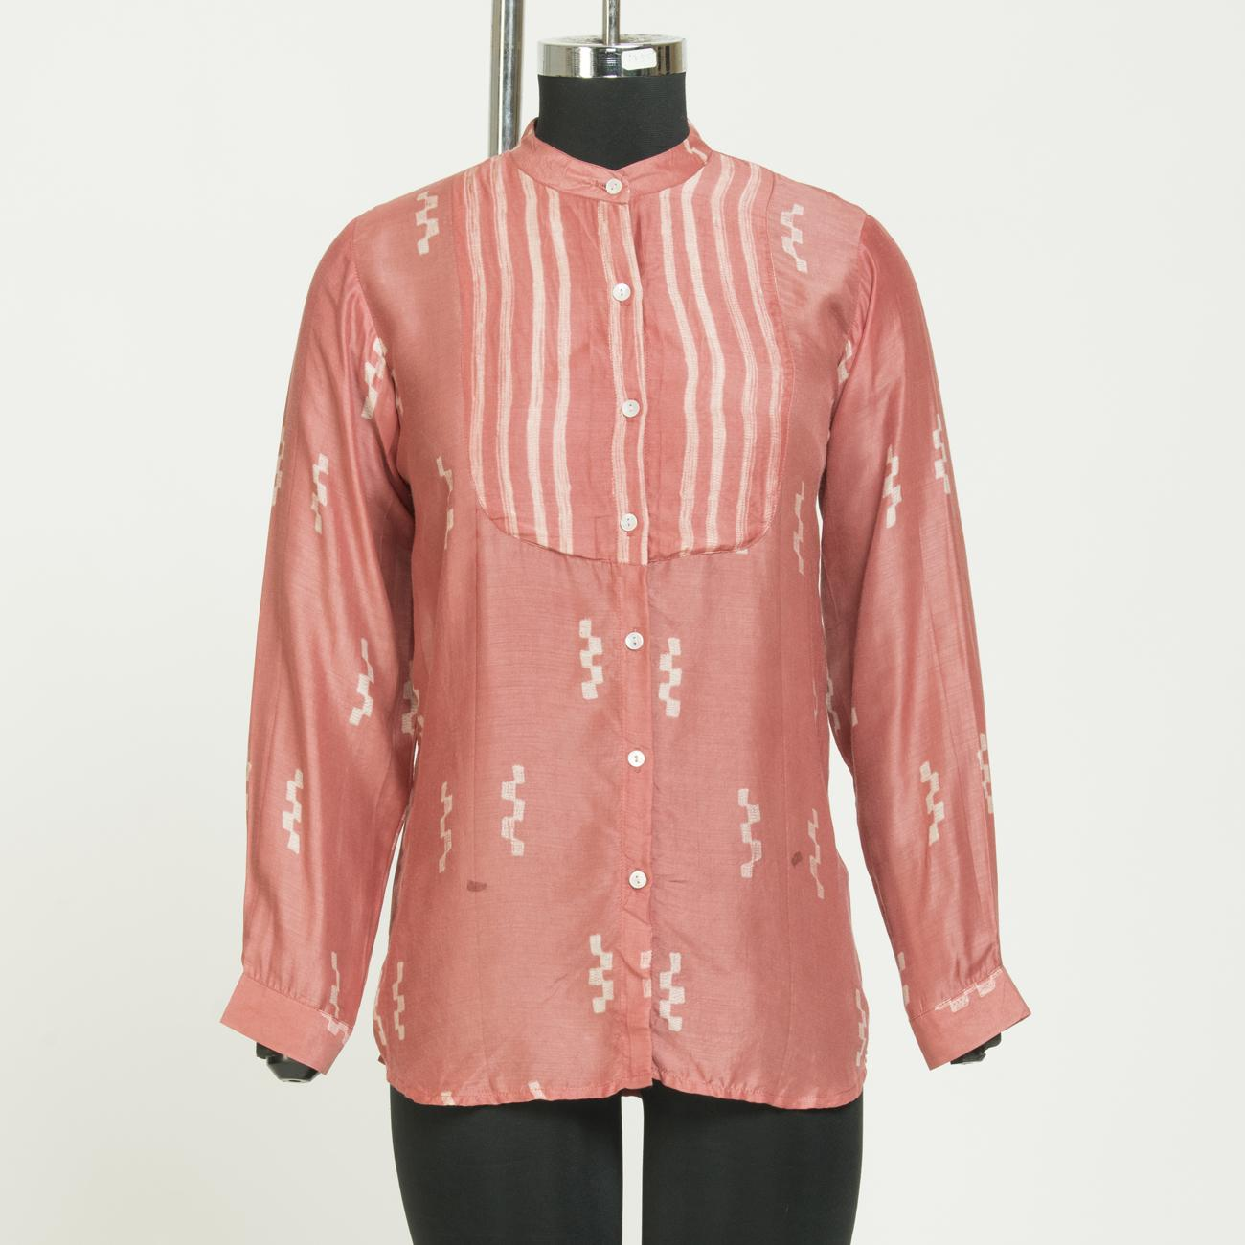 maddar, lemon |  |  | Any item you purchase is one of a kind as they are all handmade and each product is beautifully different. The colour/texture/pattern may slightly vary from the image shown, due to multiple artisan-led techniques and screen brightness. | Shibori is a Japanese tie-dyeing technique that has been used for centuries. Famous for its blue dye, shibori is the result of experimentation with more interesting approaches to textile production, rather than just colouring clothes and fabrics. The term itself means to squeeze, ring or press. It’s about creating patterns on a piece of fabric by preparing it in a way that will resist the dye in certain areas.
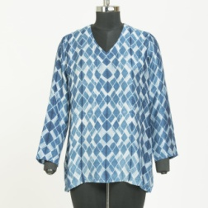 |  | DLSH0723006 | Top | Top | indigo geomatric shibori casual tunic with v-neck , full sleeves | Cotton Silk | indigo | 2212.5 | 2950 | 25 | 2942.625 | 1 | S,M,L…. | Ready to ship and 2-3 weeks delivery | Hand Wash only with soft detergent | indigo merigold tesu , indigo maddar |  |  | Disclaimer - Any item you purchase is one of a kind as they are all handmade and each product is beautifully different. The colour/texture/pattern may slightly vary from the image shown, due to multiple artisan-led techniques and screen brightness. | Shibori is a Japanese tie-dyeing technique that has been used for centuries. Famous for its blue dye, shibori is the result of experimentation with more interesting approaches to textile production, rather than just colouring clothes and fabrics. The term itself means to squeeze, ring or press. It’s about creating patterns on a piece of fabric by preparing it in a way that will resist the dye in certain areas.
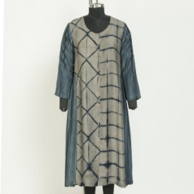 |  | DLSH0723007 | Dress | Dress | indigo kashish side gathered full sleeve dress with round neck and button closure. | Cotton Silk | indigo kashish | 3712.5 | 4950 | 25 | 4937.625 | 1 | S,M,L…. | Ready to ship and 2-3 weeks delivery | Hand Wash only with soft detergent | pink, lemon |  |  | Disclaimer - Any item you purchase is one of a kind as they are all handmade and each product is beautifully different. The colour/texture/pattern may slightly vary from the image shown, due to multiple artisan-led techniques and screen brightness. | Shibori is a Japanese tie-dyeing technique that has been used for centuries. Famous for its blue dye, shibori is the result of experimentation with more interesting approaches to textile production, rather than just colouring clothes and fabrics. The term itself means to squeeze, ring or press. It’s about creating patterns on a piece of fabric by preparing it in a way that will resist the dye in certain areas.
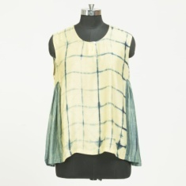 |  | DLSH0723008 | Top | Top | indigo merigold side gathered sleeve less top with round neck | Cotton Silk | indigo merigold | 2062.5 | 2750 | 25 | 2743.125 | 1 | S,M,L…. | Ready to ship and 2-3 weeks delivery | Hand Wash only with soft detergent | indigo maddar , indigo lac |  |  | Disclaimer - Any item you purchase is one of a kind as they are all handmade and each product is beautifully different. The colour/texture/pattern may slightly vary from the image shown, due to multiple artisan-led techniques and screen brightness. | Shibori is a Japanese tie-dyeing technique that has been used for centuries. Famous for its blue dye, shibori is the result of experimentation with more interesting approaches to textile production, rather than just colouring clothes and fabrics. The term itself means to squeeze, ring or press. It’s about creating patterns on a piece of fabric by preparing it in a way that will resist the dye in certain areas.
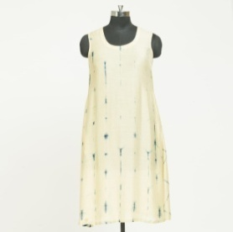 |  | DLSH0723009 | Dress | Dress | indigo merigold round neck A-line midi dress. | Cotton Silk | indigo merigold | 3187.5 | 4250 | 25 | 4239.375 | 1 | S,M,L…. | Ready to ship and 2-3 weeks delivery | Hand Wash only with soft detergent | 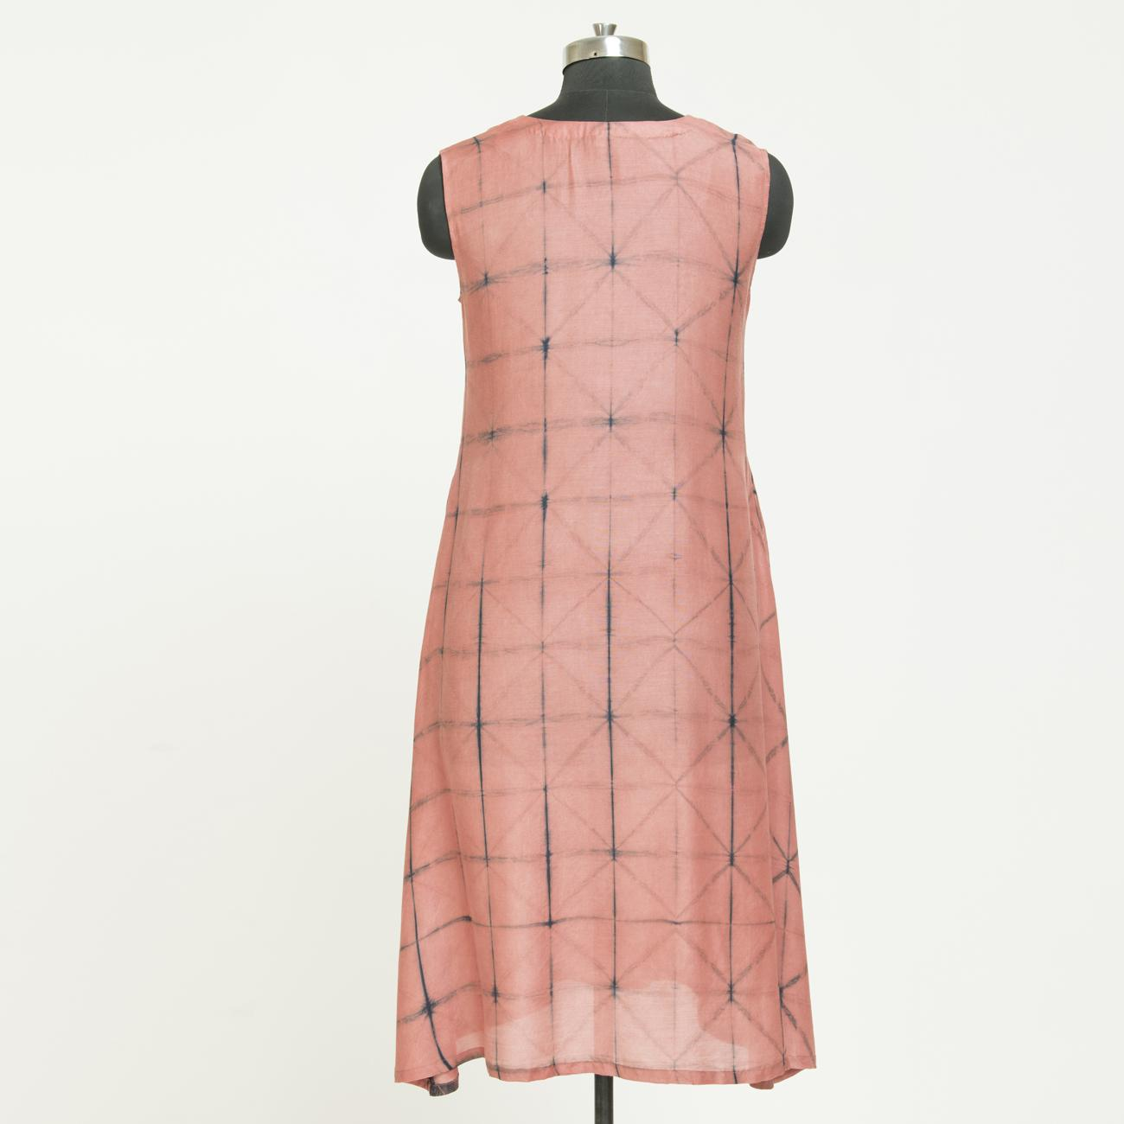 indogo kashish , indigo lac |  |  | Disclaimer - Any item you purchase is one of a kind as they are all handmade and each product is beautifully different. The colour/texture/pattern may slightly vary from the image shown, due to multiple artisan-led techniques and screen brightness. | Shibori is a Japanese tie-dyeing technique that has been used for centuries. Famous for its blue dye, shibori is the result of experimentation with more interesting approaches to textile production, rather than just colouring clothes and fabrics. The term itself means to squeeze, ring or press. It’s about creating patterns on a piece of fabric by preparing it in a way that will resist the dye in certain areas.
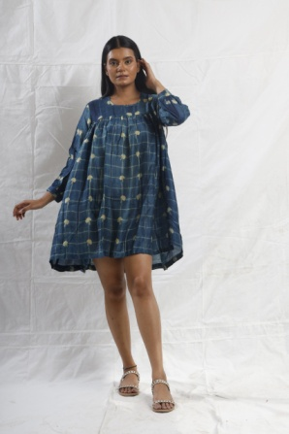 |  | DLSH0723010 | Dress | dress | indigo merigold round neck , full sleeve midi dress. | Cotton Silk | indigo merigold | 2962.5 | 3950 | 25 | 3940.125 | 1 | S,M,L…. | Ready to ship and 2-3 weeks delivery | Hand Wash only with soft detergent | indigo , indigo maddar |  |  | Disclaimer - Any item you purchase is one of a kind as they are all handmade and each product is beautifully different. The colour/texture/pattern may slightly vary from the image shown, due to multiple artisan-led techniques and screen brightness. | Shibori is a Japanese tie-dyeing technique that has been used for centuries. Famous for its blue dye, shibori is the result of experimentation with more interesting approaches to textile production, rather than just colouring clothes and fabrics. The term itself means to squeeze, ring or press. It’s about creating patterns on a piece of fabric by preparing it in a way that will resist the dye in certain areas.
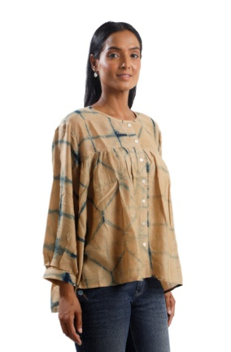 |  | DLSH0723011 | Shirt | Shirt | indigo merigold shibori shirt , full sleeve , round neck, front button closer | Cotton Silk | indigo merigold | 2212.5 | 2950 | 25 | 2942.625 | 1 | S,M,L…. | Ready to ship and 2-3 weeks delivery | Hand Wash only with soft detergent | indigo kashish , indigo maddar |  |  | Disclaimer - Any item you purchase is one of a kind as they are all handmade and each product is beautifully different. The colour/texture/pattern may slightly vary from the image shown, due to multiple artisan-led techniques and screen brightness. | Shibori is a Japanese tie-dyeing technique that has been used for centuries. Famous for its blue dye, shibori is the result of experimentation with more interesting approaches to textile production, rather than just colouring clothes and fabrics. The term itself means to squeeze, ring or press. It’s about creating patterns on a piece of fabric by preparing it in a way that will resist the dye in certain areas.
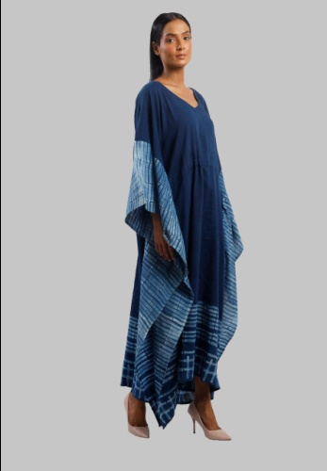 |  | DLSH0723012 | Kaftan | kaftaan | indigo shibori kaftaan | Cotton | indigo | 2625 | 3500 | 25 | 3491.25 | 1 | S,M,L…. | Ready to ship and 2-3 weeks delivery | Hand Wash only with soft detergent | indigo |  |  | Disclaimer - Any item you purchase is one of a kind as they are all handmade and each product is beautifully different. The colour/texture/pattern may slightly vary from the image shown, due to multiple artisan-led techniques and screen brightness. | Shibori is a Japanese tie-dyeing technique that has been used for centuries. Famous for its blue dye, shibori is the result of experimentation with more interesting approaches to textile production, rather than just colouring clothes and fabrics. The term itself means to squeeze, ring or press. It’s about creating patterns on a piece of fabric by preparing it in a way that will resist the dye in certain areas.
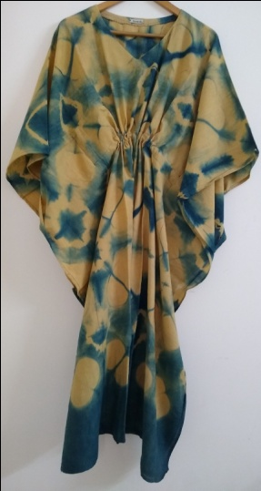 |  | DLSH0723013 | Kaftan | kaftaan | indigo harada kaftaan | Cotton | indigo harada | 2625 | 3500 | 25 | 3491.25 | 1 | S,M,L…. | Ready to ship and 2-3 weeks delivery | Hand Wash only with soft detergent | indigo harada |  |  | Disclaimer - Any item you purchase is one of a kind as they are all handmade and each product is beautifully different. The colour/texture/pattern may slightly vary from the image shown, due to multiple artisan-led techniques and screen brightness. | Shibori is a Japanese tie-dyeing technique that has been used for centuries. Famous for its blue dye, shibori is the result of experimentation with more interesting approaches to textile production, rather than just colouring clothes and fabrics. The term itself means to squeeze, ring or press. It’s about creating patterns on a piece of fabric by preparing it in a way that will resist the dye in certain areas.
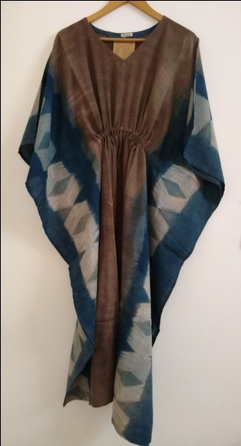 |  | DLSH0723014 | Kaftan | kaftaan | indigo maddar kaftan | Cotton | indigo maddar | 2625 | 3500 | 25 | 3491.25 | 1 | S,M,L…. | Ready to ship and 2-3 weeks delivery | Hand Wash only with soft detergent | indigo maddar |  |  | Disclaimer - Any item you purchase is one of a kind as they are all handmade and each product is beautifully different. The colour/texture/pattern may slightly vary from the image shown, due to multiple artisan-led techniques and screen brightness. | Shibori is a Japanese tie-dyeing technique that has been used for centuries. Famous for its blue dye, shibori is the result of experimentation with more interesting approaches to textile production, rather than just colouring clothes and fabrics. The term itself means to squeeze, ring or press. It’s about creating patterns on a piece of fabric by preparing it in a way that will resist the dye in certain areas.
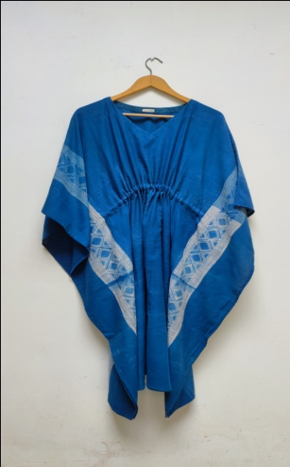 |  | DLSH0723015 | Kaftan, Top | kaftaan | indigo kaftaan | Cotton | indigo | 2625 | 3500 | 25 | 3491.25 | 1 | S,M,L…. | Ready to ship and 2-3 weeks delivery | Hand Wash only with soft detergent | indigo |  |  | Disclaimer - Any item you purchase is one of a kind as they are all handmade and each product is beautifully different. The colour/texture/pattern may slightly vary from the image shown, due to multiple artisan-led techniques and screen brightness. | Shibori is a Japanese tie-dyeing technique that has been used for centuries. Famous for its blue dye, shibori is the result of experimentation with more interesting approaches to textile production, rather than just colouring clothes and fabrics. The term itself means to squeeze, ring or press. It’s about creating patterns on a piece of fabric by preparing it in a way that will resist the dye in certain areas.
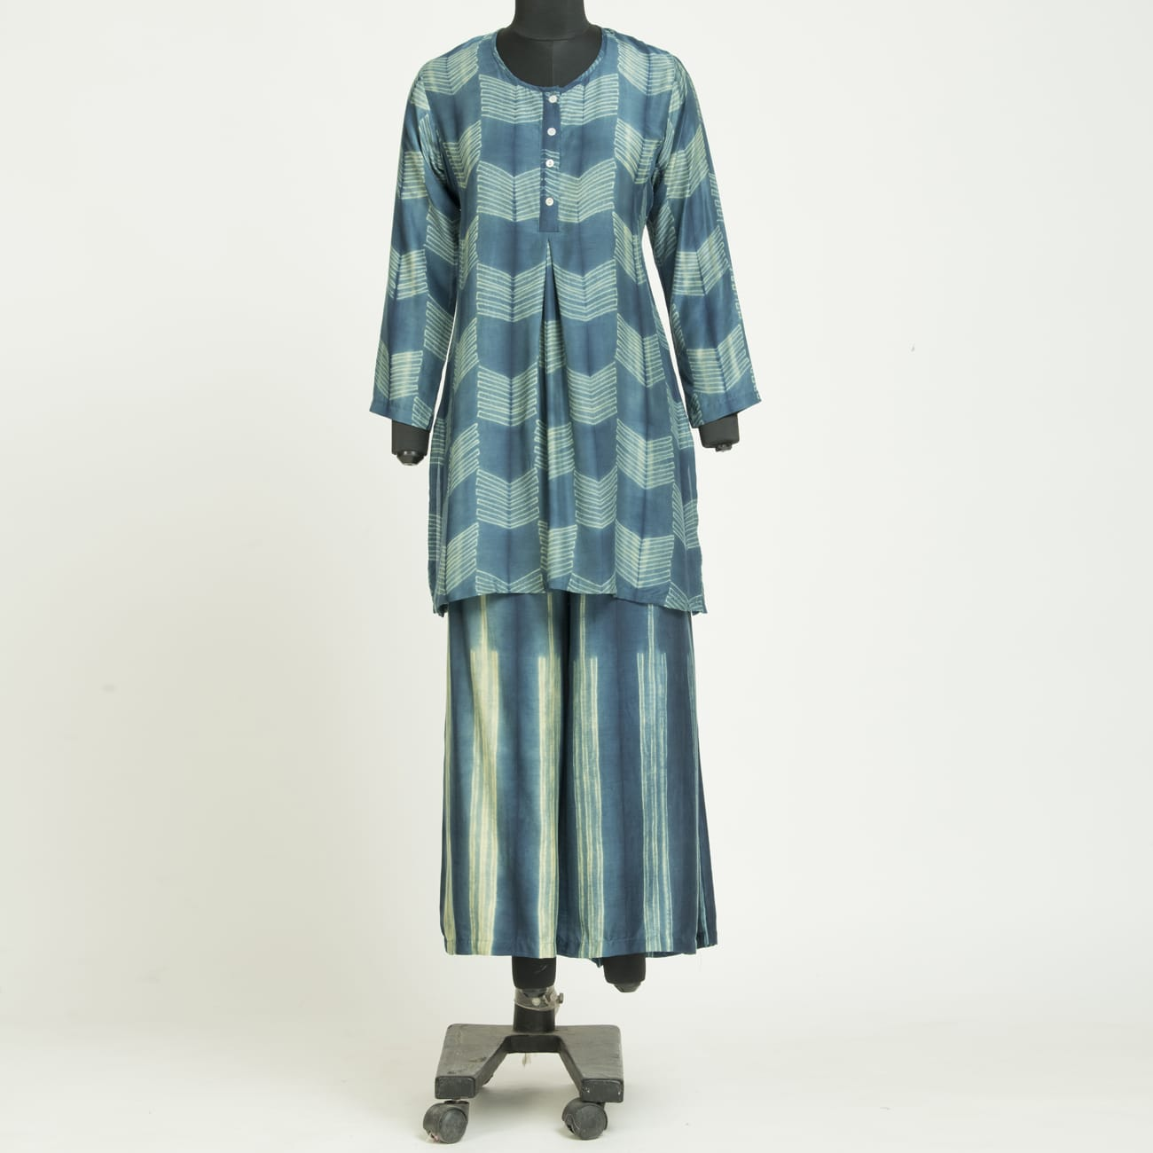 |  | DLSH0723016 | Palazo, Bottom/Pant/Salwar | palazo | indigo merigold striprd palazo | cotton silk | indigo merigold | 2212.5 | 2950 | 25 | 2942.625 | 1 | S,M,L…. | Ready to ship and 2-3 weeks delivery | Hand Wash only with soft detergent | 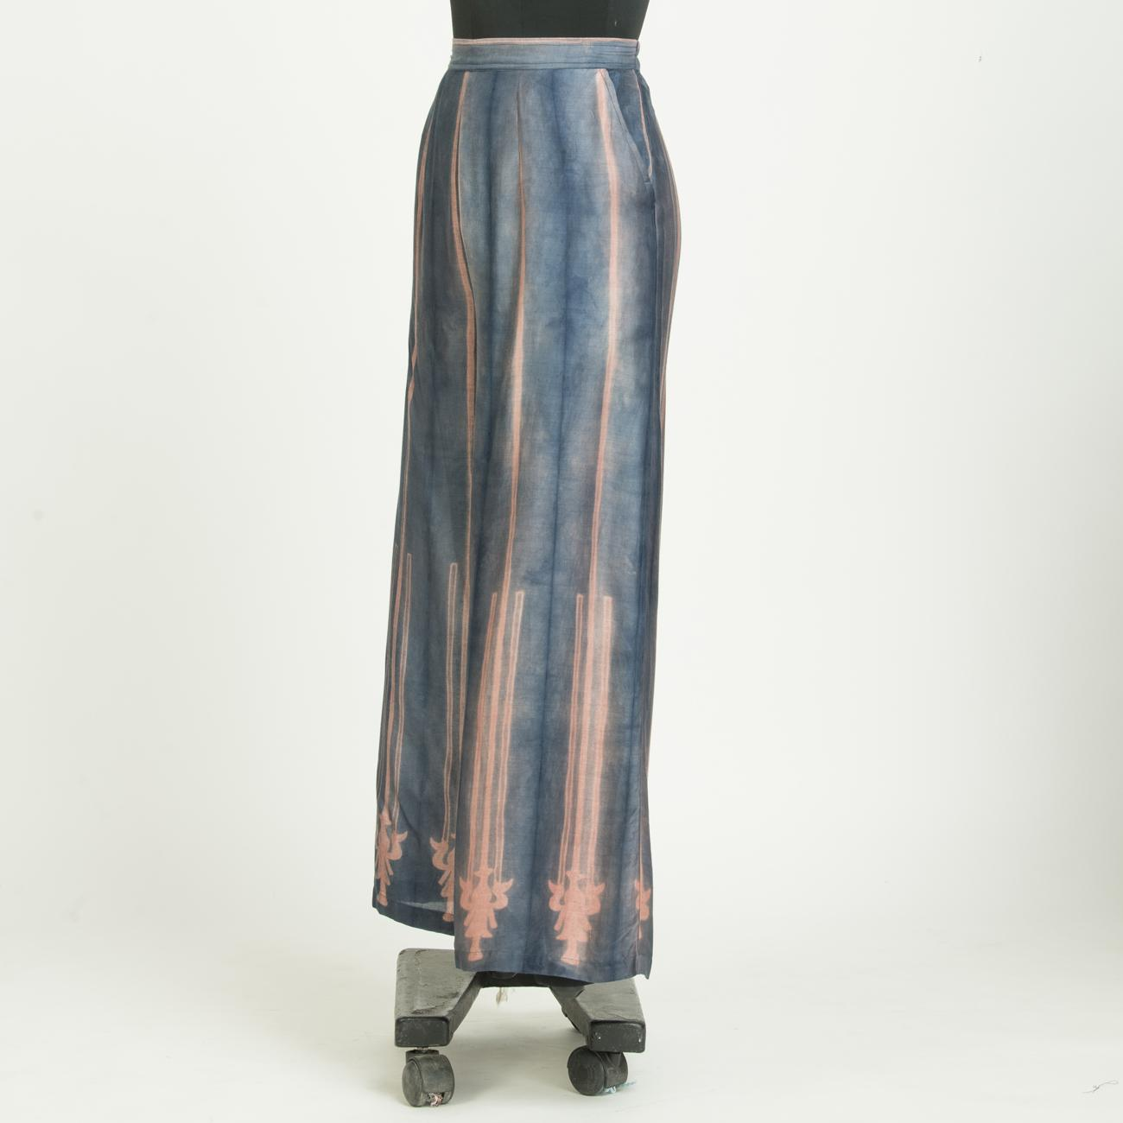 indigo , indigo maddar |  |  | Disclaimer - Any item you purchase is one of a kind as they are all handmade and each product is beautifully different. The colour/texture/pattern may slightly vary from the image shown, due to multiple artisan-led techniques and screen brightness. | Shibori is a Japanese tie-dyeing technique that has been used for centuries. Famous for its blue dye, shibori is the result of experimentation with more interesting approaches to textile production, rather than just colouring clothes and fabrics. The term itself means to squeeze, ring or press. It’s about creating patterns on a piece of fabric by preparing it in a way that will resist the dye in certain areas.

 |  |  |  |  |  |  |  |  |  |  |  | #REF!

